Source
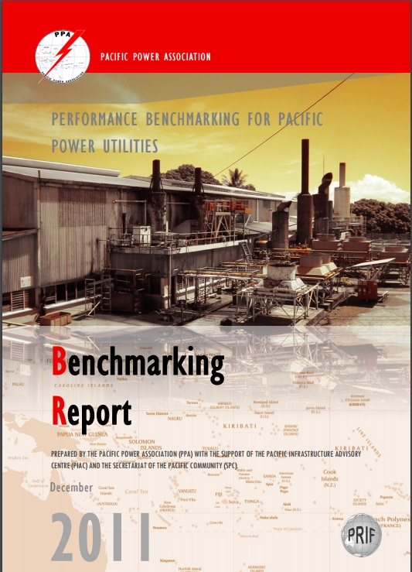
Selected tables extracted from the Pacific Power utilities benchmarking report. Published in 2011 with 2010 data coverage

 | REPORT WAS PREPARED BY THE PACIFIC POWER ASSOCIATION (PPA) WITH THE SUPPORT OF THE PACIFIC INFRASTRUCTURE ADVISORY CENTRE (PIAC) AND THE SECRETARIAT OF THE PACIFIC COMMUNITY (SPC)

http://prdrse4all.spc.int/system/files/final_report_2011-_benchmarking_for_pacific_power_utilities.pdf

