Sheet1
Fanalei Village, Solomon Islands
Dolphin Hunting Data

Dolphins killed in drive hunts (Fanalei Village, Solomon Islands)
 | Number of Dolphins Killed
1976 | 650
1977 | 825
1978 | 1250
1979 | 50
1980 | 850
1981
1982 | 750
1983 | 800
1984 | 850
1985
1986 | 1950
1987 | 350
1988
1989
1990
1991
1992
1993 | 700
1994 | 865
1995
1996
1997
1998
1999 | 700
2000 | 577
2001 | 141
2002 | 648
2003 | 600
2004 | 1200
2005
2006
2007
2008
2009
2010
2011
2012
2013 | 1698
2014
2015 | 68
2016 | 90
2017 | 130
2018 | 709
Year | Number of Dolphins Killed
1976 | 650
1977 | 825
1978 | 1250
1979 | 50
1980 | 850
1981
1982 | 750
1983 | 800
1984 | 850
1985
1986 | 1950
1987 | 350
1988 |  | data missing
1989 |  | data missing
1990 |  | data missing
1991 |  | data missing
1992 |  | data missing
1993 | 700
1994 | 865
1995
1996 |  | data missing
1997
1998 |  | data missing
1999 | 700
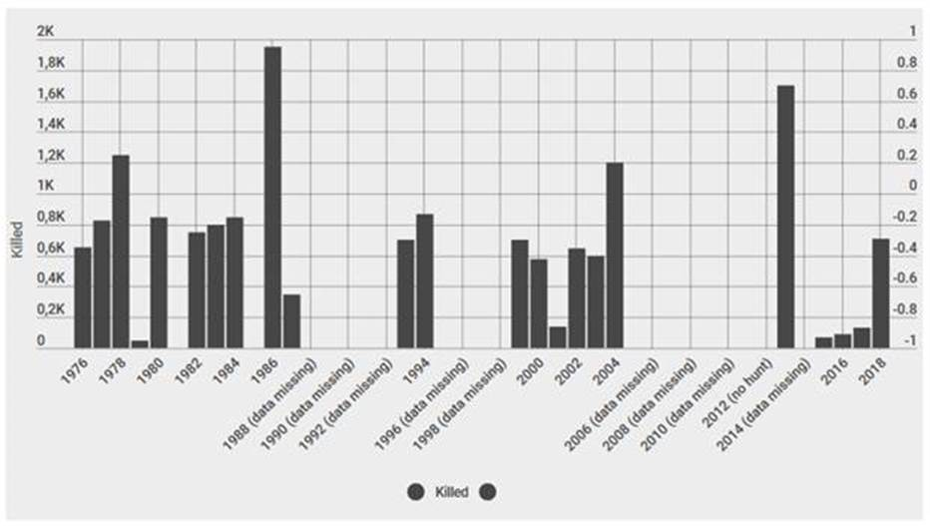
2000 | 577 |  | Original graph to create this Excel:
2001 | 141
2002 | 648
2003 | 600
2004 | 1200
2005
2006 |  | data missing
2007
2008 |  | data missing
2009
2010 |  | data missing
2011
2012 |  | no hunt
2013 | 1698
2014 |  | data missing
2015 | 68
2016 | 90
2017 | 130
2018 | 709

Mixed data sources:
https://www.dolphinproject.com/blog/mass-slaughter-in-the-solomons/
Oremus M, Leqata J, Baker CS. 2015 Resumption of traditional drive hunting of dolphins in the Solomon Islands in 2013. R.Soc.opensci.2: 140524.http://dx.doi.org/10.1098/rsos.140524

